Cover Sheet
 |  | As-built Quantities and Costs Report
 |  | for Waste Water Infrastructure Installation
 |  | for EPCOR Water Services, Inc.

Servicing Agreement: |  |  |  | EPCOR Project Number:
Consultant: |  |  |  | Consultant Project Number:
Contractor: |  |  |  | Developer:
Subdivision: |  |  |  | Date:

I, |  |  | of the firm
 | ("Consulting Engineers") hereby certify that the following are an accurate representation of the assets installed or abandoned as part of the servicing agreement mentioned above.

Instructions for Use
This form, along with all other CCC information, must be received within 6 months of the date of the CCC inspection, or the CCC inspection is deemed void, and warranty will be extended. This form is expected to be free of any errors, the submission is not considered received until an error-free form is received. The project manager must be the signing authority for this form.

NOTE: For phased projects, each phase indicated on the engineering drawings must have a separate form submitted.

General Provide units, quantities, and costs for only the applicable items. Remove/hide any item lines or leave the information blank for infrastructure that does not form part of the project. 1. It is expected that the quantities provided on the form match to the as-built engineering drawings. 2. Include on abandonments all quantities that are cut back/removed as part of tie-ins. Ensure these extents are indicated on the engineering drawings. 4. If there are items not included in the forms, additional rows should be added to the form to capture the item(s). Ensure that all items are accurately described. Please ensure all totaling fields are updated to reflect the additional information. 5. When adding a new row, put it above the last row to ensure formatting and formulas are carried through.

 | First highlight the last row of that facility. Then right click and press 'Insert'

 | Start:
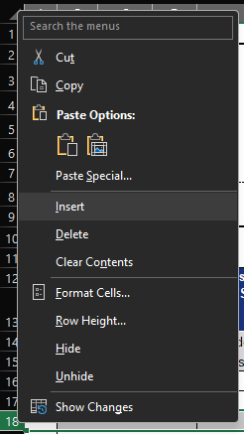

 | End:

